Project_Overview
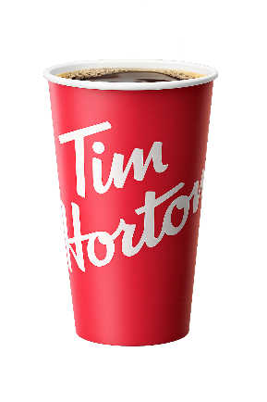
TIM HORTONS VS STARBUCKS
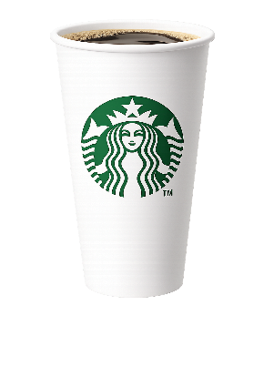
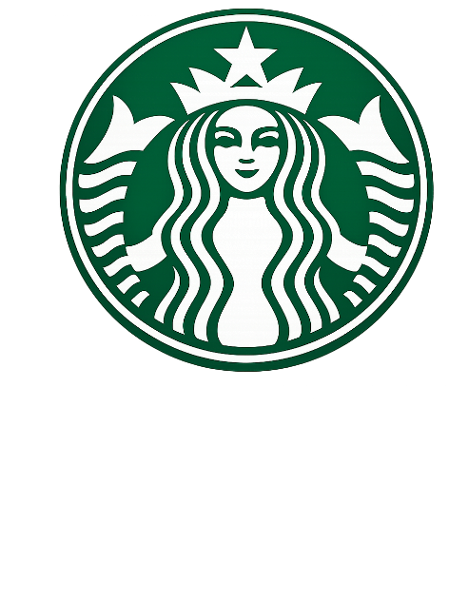
Competitor Analysis In Canada
(Fiscal Year 2024)

TM
PROJECT OBJECTIVE
KEY QUESTIONS
KEY METRICS ANALYZED
This dashboard analyses the financial performance, monthly sales trends, seasonal demand changes, pricing strategies, and regional dominance of Tim Hortons and Starbucks in Canada during the 2024 fiscal year using business and consumer data
Which company had a greater financial performance in 2024?
How do quarterly sales differ between Tim Hortons and Starbucks?
How did pricing differ between Tim Hortons and Starbucks?
How did seasonal marketing campaigns differ between companies?
Which company has a stronger regional presence in Canada?
Financial Performance
Revenus, Growth and Seasonal Trends
Brand Dominance
Total Stores and Regional Distribution
Customer Behaviour
Spending and Seasonal Preferences
Pricing
Pricing strategies

DATA SOURCES
SCOPE OF ANALYSIS

Source Type
Source/ Description
Time Period
Fiscal Year 2024 (January - December)
Geographic Scope
Canada (Provines and Regions)
Companies
Tim Hortons and Starbucks
Analysis Focus
Financial Performance, Store Presence and Seasonal Demand
IMPORTANT NOTES
Starbucks Investor Relations (FY 2025)
Restaurant Brands International (Tim Hortons Parent Company)
Starbucks Store Locator (Canada)
Tim Hortons Restaurant Locator
Google Trends (Search interent in Ontario)
Company Reports
Store Locator Data
Seasonal Trends
All financial values are in CAD ($) using a 1.35 conversion rate where necessary
Revenue estimates are based on public company reports
Starbucks reports North America revenue, including Canada but not limited to, while Tim Hortons revenue reflects primarily Canadian market

DASHBOARD
NET STORE GROWTH
SEASONAL LIMITED OFFER CAMPAIGNS
VS
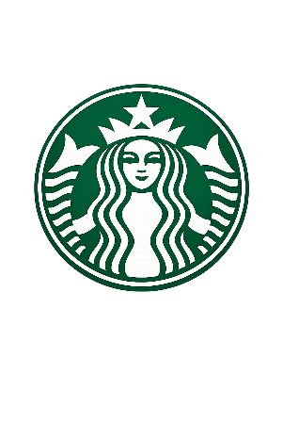
END OF YEAR REVENUE
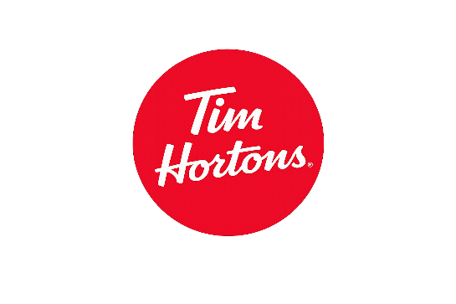
AVERAGE REVENUE PER STORE

CANADA COFFEE MARKET PERORMANCE DASHBOARD
FISCAL YEAR 2024
Baileys Dream
Latte
Gingerbread Oat Chai

$2.9 B $5.5 B
$1.9 M $1.3 M
WINTER
+ 37 +34

Lavender Oatmilk
Latte
 | Starbucks | Tim Hortons
Quarter 1 | 720 | 1270
Quarter 2 | 680 | 1390
Quarter 3 | 740 | 1460
Quarter 4 | 810 | 1386
 | Starbucks | Tim Hortons
Quarter 1 | 706575 | 301305
Quarter 2 | 589766 | 329618
Quarter 3 | 575428 | 346464
Quarter 4 | 535714 | 326194
MARKET DOMINANCE
 | Total
Starbucks | 1512
Tim Hortons | 4249
Smile Cookie

KEY INSIGHTS
SPRING

Tim Hortons financially outperformed Starbucks by 100%
Starbucks grew 8.8% more than Tim Hortons
Tim Hortons possesses 74% of the market share
Starkbucks' products are 44% more expensive than Tim Hortons'
The average Starbucks store outperformed the average Tim Hortons store by 64.23%
Nutella Cold
Brew
Summer Berry Refresher

SUMMER

Pumpkin Spice Latte
Pumpkin Spice Latte

AUTUMN

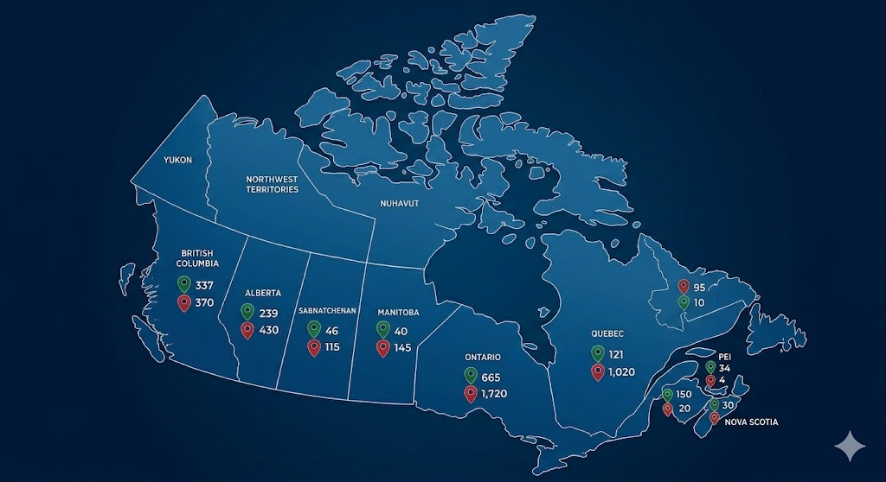
 | Tim Hortons PriceS | Starbucks Prices
Breakfast Sandwich | 4.99 | 6.95
Frozen Beverage | 3.99 | 5.95
Fruit Refreshers | 3.49 | 5.95
Hot Chocolate | 2.99 | 4.25
Hot Coffee | 2.09 | 2.95
Iced Coffee | 2.79 | 3.95
Latte | 4.29 | 5.95
Pastry | 2.49 | 4.25
Seasonal Beverage | 4.99 | 6.95
Tea Beverage | 4.29 | 5.45
STORE DISTRIBUTION
ACROSS CANADA

STARBUCKS
TIM HORTONS

